Sheet1
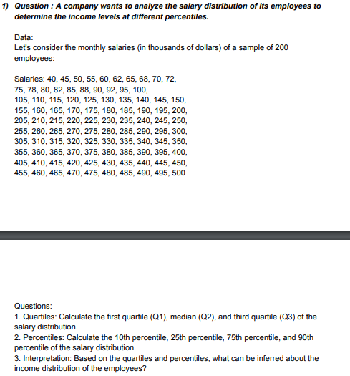
DATA | ANSWERS
40 | QUARTILE | Q1 | 126.25
45 |  | Q2 | 252.5
50 |  | Q3 | 378.75
55 | PERCENTILE | 10th | 72.3
60 |  | 25th | 126.25
62 |  | 75th | 378.75
65 |  | 90th | 454.5
68 | INTERPRETATION | 1. Quartile: The quartiles are divided into three parts i.e: Q1 or Lower Quartile which is from 40 to 126.25, the median or the Q2 quartile is from 126.25 to 252.5 and 378.75 to 500, Q3 or the upper Quartile is from 252.2 to 378.75.
70 |  | 2. Percentile: 10% of the salary is almost or below 72.3 thousand, 25% of the salary is almost or below 126.25 thousand, 75% of the salary is almost of below 378.75 thousand and 90% of the salary is almost or below 454.5 thousand.
72
75
78
80
82
85
88
90
92
95
100
105
110
115
120
125
130
135
140
145
150
155
160
165
170
175
180
185
190
195
200
205
210
215
220
225
230
235
240
245
250
255
260
265
270
275
280
285
290
295
300
305
310
315
320
325
330
335
340
345
350
355
360
365
370
375
380
385
390
395
400
405
410
415
420
425
430
435
440
445
450
455
460
465
470
475
480
485
490
495
500

